Sheet1
Number | 设计Design | CODE | 尺码Size | 数量Quantity | Notice
1 |  |  | 10x140, 15x150, 5x160 | 30 | BLACK
2 |  |  | 5x 130, 15x140, 15x150, 5x 160 | 45 | BLACK
3 |  |  | 5x 130, 10x140, 10x150, 5x 160 | 30 | DARK BLUE
4 | 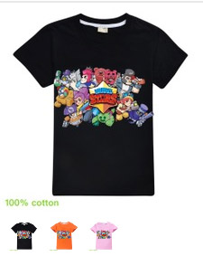 |  | 10x 130, 15x140, 20x150, 10x 160 | 55 | BLACK
5 |  |  | 10x 130, 20x140, 15x150, 10x 160 | 55 | BLACK
6 | 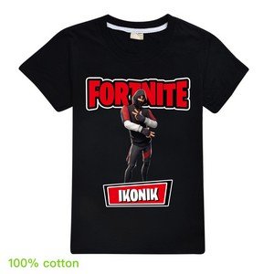 |  | 2x120, 5x 130, 5x140, 8x150, 5x 160 | 25 | BLACK
7 | 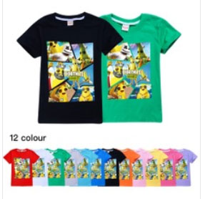 |  | 2x 130, 5x140, 5x150, 3x 160 | 15 | BLACK
8 | 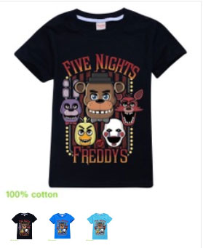 |  | 2x 130, 5x140, 5x150, 3x 160 | 15 | BLACK
9 | 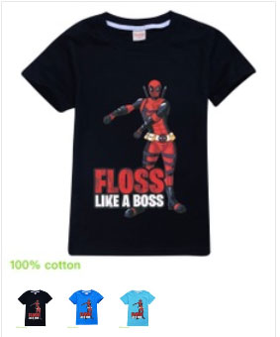 |  | 2x 130, 5x140, 5x150, 3x 160 | 15 | BLACK
10 | 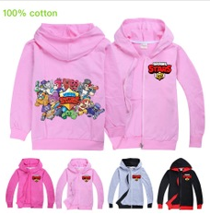 |  | 3x120, 5x 130, 5x140, 5x150, 3x 160 | 21 | PINK
11 |  |  | 5x 130, 10x140, 10x150, 5x 160 | 30 | BLUE
12 |  |  | 10x 130, 15x140, 10x150, 10x 160 | 45 | BLACK
13 | 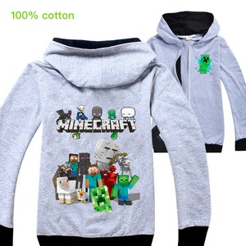 |  | 3x120, 5x 130, 5x140, 5x150, 3x 160 | 21 | GRAY/BLACK
14 | 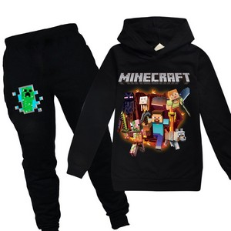 |  | 3x120, 5x 130, 5x140, 8x150, 4x 160 | 25 | BLACK
15 | 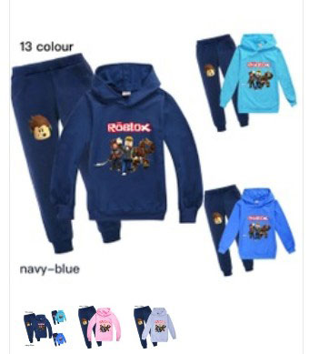 |  | 3x 130, 5x140, 7x150, 3x 160 | 18 | NAVY BLUE
16 | 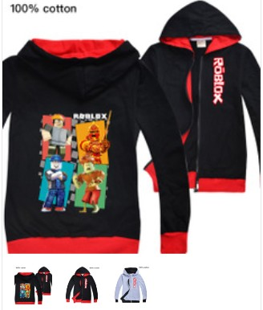 |  | 2x120, 5x 130, 5x140, 5x150, 3x 160 | 20 | RED/BLACK
17 |  |  | 2x120, 5x 130, 5x140, 5x150, 3x 160 | 20 | GRAY/BLACK
18 | 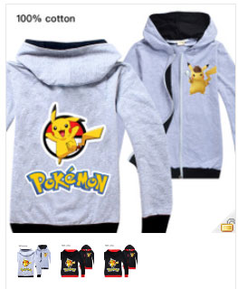 |  | 2x120, 5x 130, 5x140, 5x150, 3x 160 | 20 | GRAY/BLACK
19 | 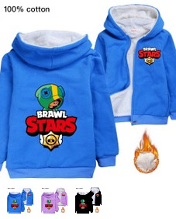 |  | 2x120, 5x 130, 5x140, 8x150, 5x 160 | 25 | BLACK
20 | 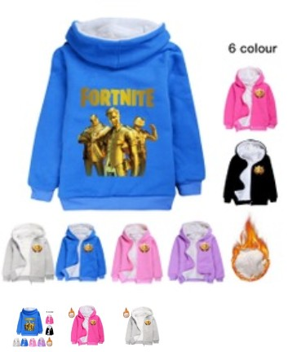 |  | 2x120, 5x 130, 5x140, 8x150, 5x 160 | 25 | BLACK
21 | 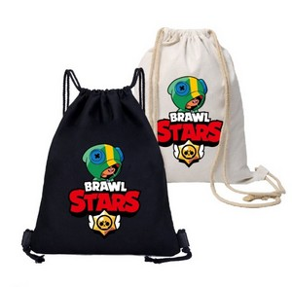 |  |  | 25 | BLACK
22 | 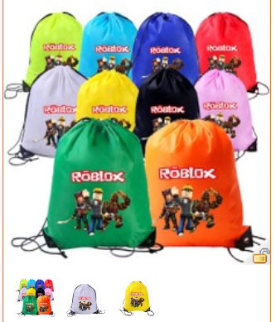 |  |  | 15 | BLACK
23 | 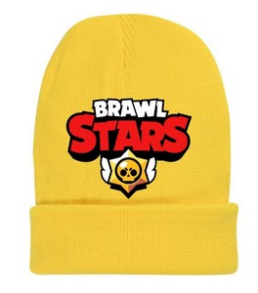 |  |  | 20 | BLACK
24 | 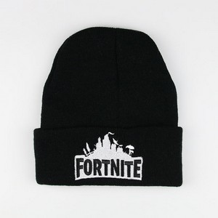 |  |  | 20 | BLACK
25 | 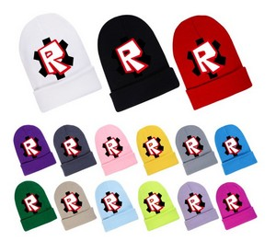 |  |  | 20 | DARK GRAY
26 | 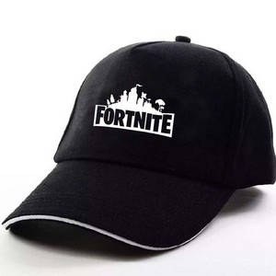 |  |  | 20
27 | 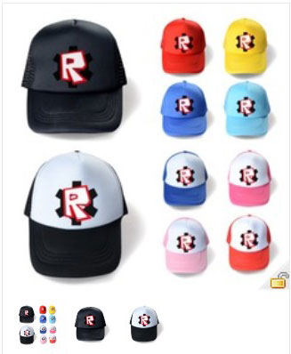 |  |  | 20 | WHITE
28 | 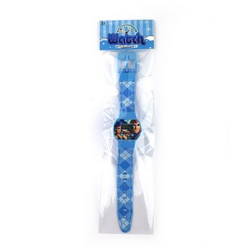 |  |  | 20
29 | FORTNITE or BRAWL STARS STICKERS |  |  | 5
 |  |  |  | 530

